ReadMe
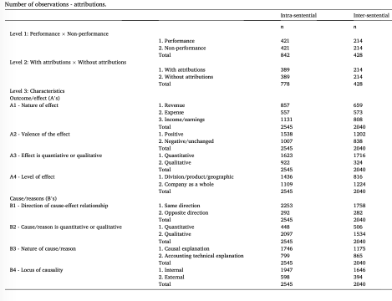
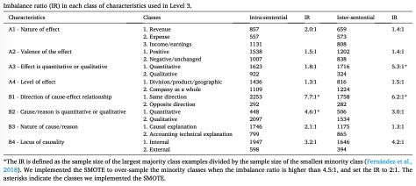
The data and code provided in this repository were used in the following research papers. If you use this dataset or code in your work, please cite:
Berkin, A., Aerts, W., & Van Caneghem, T. (2022). Feasibility analysis of machine learning for performance-related attributional statements. International Journal of Accounting Information Systems, 47, 100597. https://doi.org/10.1016/j.accinf.2022.100597
Aerts, W., & Tarca, A. (2010). Financial performance explanations and institutional setting. Accounting and Business Research, 40(5), 421–450. https://doi.org/10.1080/00014788.2010.9995322

